Sauer Sheet 2
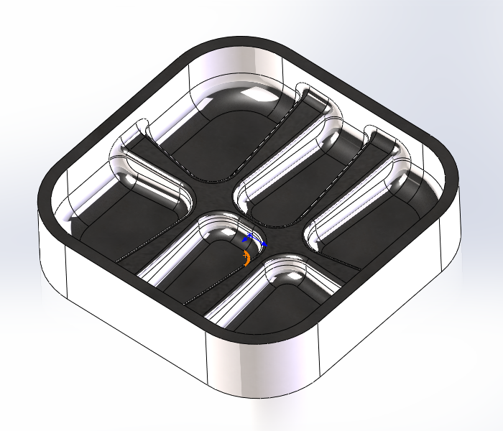

X0. Y0. | $program.xylocation |  |  | $program.jobComment
X Offset Dim: | $program.xoffset | Y Offset Dim: | $program.yoffset
Z0. | $program.zlocation
DIA COMP USED---

